Sheet1
Test id | Functionality name | Invalid Cases | Attachment | https://order.billberrypos.com/?ndsvITOVNhI9QztjYNAPY2MbByqYqevQqvg3UrErGqxax7A4

1 | check page url after loggin | when we copy page url after login and past on another page it locate to aother website its not valid | https://order.billberrypos.com/makeorder.php
2 | check Enter your name bar | name bar accept the dash line and number wich is not valid &
3 | Check Enter 10 digit mo. no. bar | mobile number bar accept any 10 digit No. and not sending any varification message its not valid
4 | check Enter your name bar | enter key event is not working before or after we enter the name
5 | Check Enter 10 digit mo. no. bar | enter key event is not working before or after we enter the number
6 | check offers header option | offers option is generate message when no item is in our cart But in this message skick & close button is not required because message is automatically removed after few seconds | https://drive.google.com/file/d/1uSnsYuRaWmMu4X0bIDwydISy1eq9k7kM/view?usp=share_link
7 | check hotel murlidhar palace header option | it shows with location symbole but they are not clickable its just a name and symbol
8 | check table name | table name and symbole is not clickable and it is shows same table number in every login
9 | check profile on header options | profile name and option is not clickable its not valid
10 | check cart symbole on header | cart symbole is not clickable and not shows any message when cart is empty like (your cart is empty )
11 | check place order when cart is zero | when we not select any item and click on place order it shows order detalis and total which is zero with make payment option which is not valid | https://drive.google.com/file/d/1IiUshPeusFSnk0nXplJK02zp5AkZJQKZ/view?usp=share_link
 |  | and when we click on make payment it navigate to another website page | https://www.billberrypos.com/
12 | check all category and buttons | when we Right click on any button ,header and category & open in new tab window it navigate to another website wich is not valid
13 | check and click on categories | when we click on food category it shows that category food but it not show that category title/heading
14 | check and click on categories | there are no highlight effect when we select any category



15 | check the flexibility of scrollbar | here 3 scrollbar for category ,menu ,cart > menu cart is not on menu RHS

16 | check offers | there are only 1 coupn when we move cursor on coupn image is it shows pintrest & scan option which is not needed | https://drive.google.com/file/d/1TyO2ns8PAiTHa4OIS4vinTNRHTMpATeU/view?usp=share_link
17 | check offers | when coupn is already applied it not shows any message that "coupn is alredy applied" but here coupn is clickable

18 | check menu | there are some title which not have any food items in menu like(backery, extras, sizzler, main kitchen, backed dish & pasta)
19 | check promo code | promo code text bar is accept the symboles and emojies which is not valid
20 | check promo code | promocode bar have no enter key event

21 | check item category and food | misplaced of menu item on ther category like farsan->curd

22 | check coupn code | when we add item and apply 10% code it discount it but after that we add 1 more item in cart then applied discount is gone( or zero ) OR these is happens when we increase/Decrease cart item by clicking + or - buttons

23 | check search bar | search bar is also scrolled when we scroll the menu page
24 | check search bar | when we search item it navigate to that item but after this we click on enter key it navigate to another page
25 | check login on another device | we can open website with same login on another device
26 | check cart in new tab | when we open same login site on another device or tab it shows cart is zero
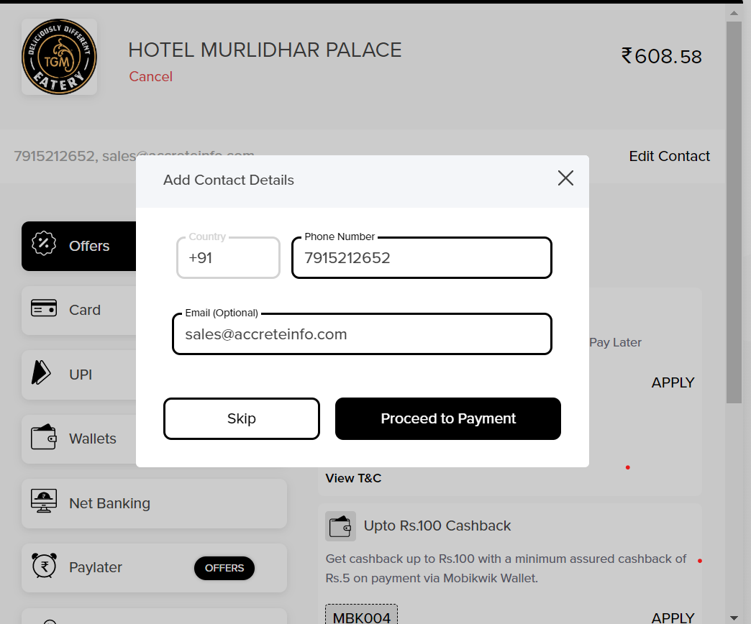
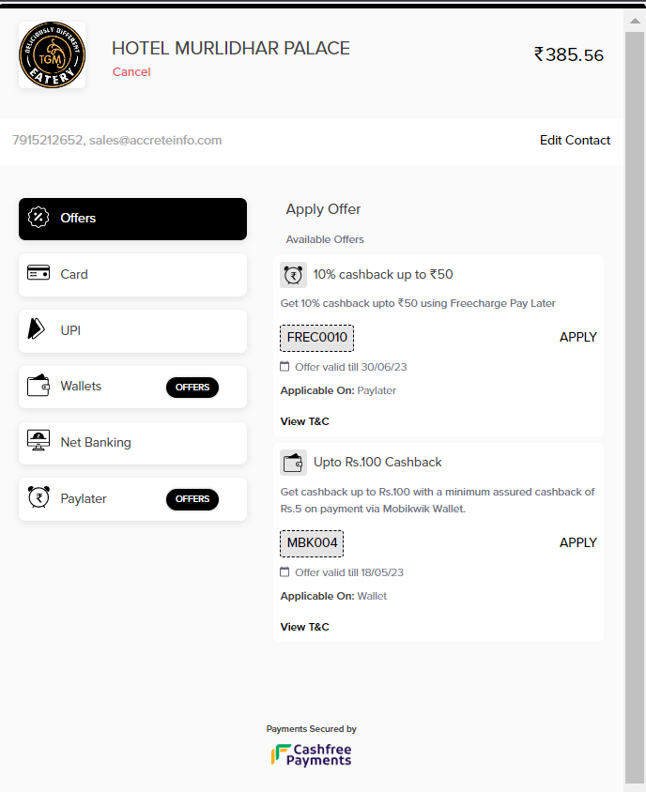
27 | check add contact detail page | in this email text bar is by default filled with sales@accreteinfo.com this is suggest as transparent in email bar
 | 2 | there are no max limit to enter email in email bar
 | 3 | we can enter incorrect domain name in email bar it is not valid

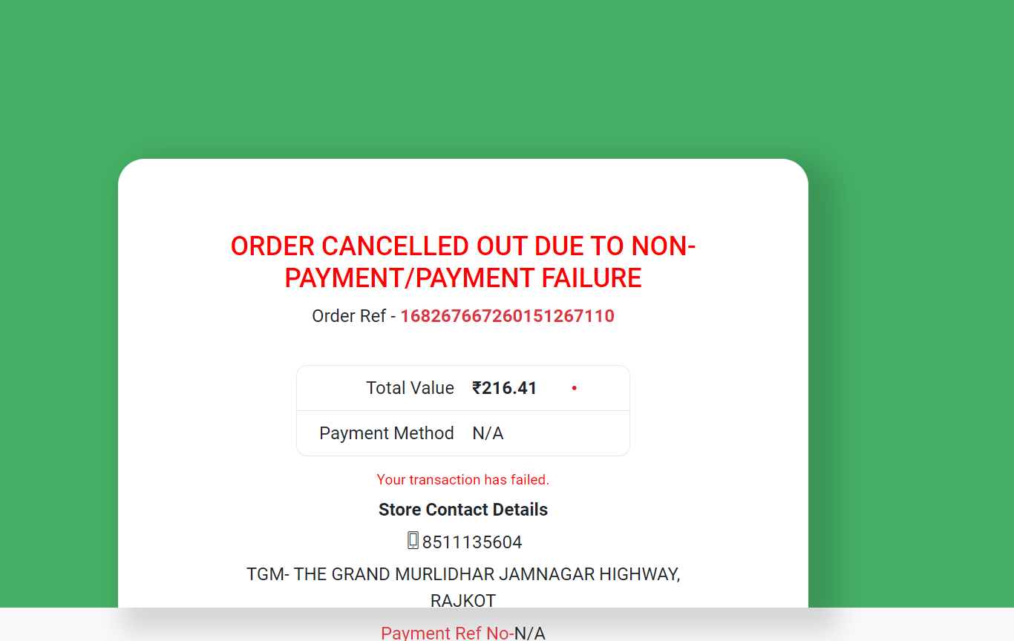
28 | check cancel button and back button | when we click cancel button on the payment page for go back menu page it cancel transaction through 3rd party page and shows the cancel order details page which is not needed BUT when we click on back button from the browser it directly redirect to menu page | https://drive.google.com/file/d/1fDTv7WRLnozncDaWDaHh8Q1uXX-Yrw6C/view?usp=share_link

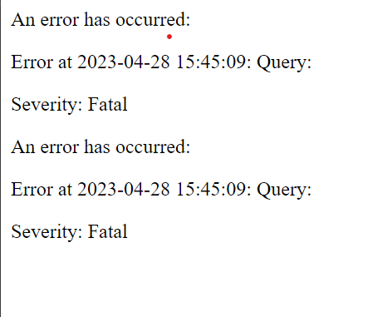

29 | check paylater option on payment page | paylater eligible option are always not eligible
30 | check payment page logo | TGM logo is not clickable on payment page it should redirect to home page but it is not
 | check promo code | there are no max limit to enter the code in code bar

